PaceCalMaxHR
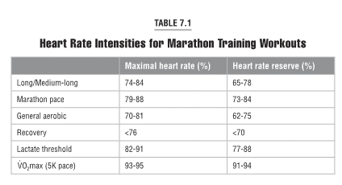
***AM55马拉松训练基本资料来自互联网，INT, LT, 10K Pace 由Jack Daniel 的马拉松训练表计算获得，心率按下列表格计算，经过整理加工，插入到AM55训练的每个训练日，便于跑友参考和更好地进行训练。 如对此表格有技术问题或建议，请联系: rob.mc2008@gmail.com

Training Type | Pace |  | HR Range |  |  | Max HR%
输入全马目标完成时间 Goal: | 4:30:00
输入休息心率 Rest HR: | 60
输入最大心率 Max HR: | 190
MP（马速） | 0:06:23 |  | 150 | - | 167 | 79% | - | 88%
INT （5K Pace） | 0:05:38 |  | 177 | - | 181 | 93% | - | 95%
LT（15k-HMP） | 0:06:01 | 0:06:08 | 156 | - | 173 | 82% | - | 91%
LR（10-20 slower） | 0:07:02 | 0:07:40 | 141 | - | 160 | 74% | - | 84%
GA（15-25 Slower） | 0:07:21 | 0:07:59 | 133 | - | 154 | 70% | - | 81%
RR（30% Slower） | 0:08:18 |  |  | < | 144 |  | < | 76%
TuneUp Race(10k Pace) | 0:05:52

To find out your Max HR:
输入生日Bday (yyyy-mm-dd ): | 1973-06-16
Age: | 48 | Max HR | -10 |  | +10
1. MaxHR =(220-Age) + (5~10) |  | 172 | 162 | - | 182
2. MaxHR =(207-0.7*Age) + (5~10) |  | 173 | 163 | - | 183
3. Test run to measure your Maxium HR

ST | Strength Training
GA | General Aerobic
LT | Lactate Threshold
RR | Recovery Run
MLR | Long Run (less than 25KM)
LR | Long Run
MP | Marathon Pace
STD | 100M Stride
VOM | VO2Max
INT | Interval Run
JOG | Jogging

AM55MaxHR
AM55 Marathon Training Plan - Finish Time: 04:30:00
 | 输入比赛日期 Input Race Date (A Sunday): |  | 2021-10-03 | Goal | 4:30:00
 | Week | Mon | Tue | Wed | Thu | FRI | SAT | SUN
 | 17 | 2021-05-31 | 2021-06-01 | 2021-06-02 | 2021-06-03 | 2021-06-04 | 2021-06-05 | 2021-06-06
Endurance [Base] 373/373 | 53 km Actual: Total: | Rest or Cross Training - Swimming | LT 13K w/6K @ 15k to HMP Pace 6:08 to 6:01 HR < 173 | Rest or Cross Training | GA 14K Pace 7:59 to 7:21 HR < 154 | Rest or Cross Training | RR 6K Pace up to 8:18 HR < 144 | MLR 19K Pace 7:40 to 7:02 HR < 160
 | 16 | 2021-06-07 | 2021-06-08 | 2021-06-09 | 2021-06-10 | 2021-06-11 | 2021-06-12 | 2021-06-13
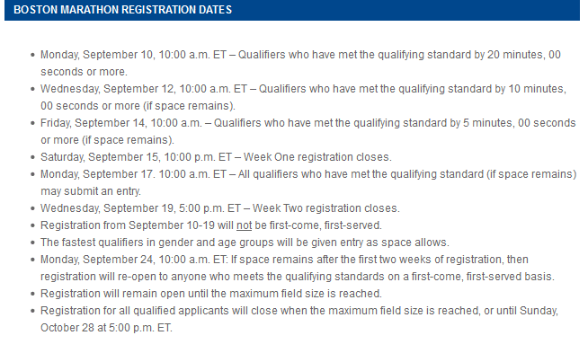
 | 58 km Actual: Total: | Rest or Cross Training - Swimming | GA13kw/ 10 x 100m strides Pace 7:59 to 7:21 HR < 154 | Rest or Cross Training | GA 16K Pace 7:59 to 7:21 HR < 154 | Rest or Cross Training | RR 8K Pace up to 8:18 HR < 144 | 21K w/ 13K MP MP Pace 6:23 HR < 167
 | 15 | 2021-06-14 | 2021-06-15 | 2021-06-16 | 2021-06-17 | 2021-06-18 | 2021-06-19 | 2021-06-20
 | 64 km Actual: Total: | Rest or Cross Training - Swimming | GA 16K Pace 7:59 to 7:21 HR < 154 | RR 6K Pace up to 0:00 HR < 144 | LT 13K w/6K @ 15k to HMP Pace 6:08 to 6:01 HR < 173 | Rest or Cross Training | RR 6K Pace up to 8:18 HR < 144 | MLR 23K Pace 7:40 to 7:02 HR < 160
 | 14 | 2021-06-21 | 2021-06-22 | 2021-06-23 | 2021-06-24 | 2021-06-25 | 2021-06-26 | 2021-06-27
 | 67 km Actual: Total: | Rest or Cross Training - Swimming | GA13kw/ 10 x 100m strides Pace 7:59 to 7:21 HR < 154 | RR 8K Pace up to 8:18 HR < 144 | GA 16K Pace 7:59 to 7:21 HR < 154 | Rest or Cross Training | RR 6K Pace up to 8:18 HR < 144 | MLR 24K Pace 7:40 to 7:02 HR < 160
 | 13 | 2021-06-28 | 2021-06-29 | 2021-06-30 | 2021-07-01 | 2021-07-02 | 2021-07-03 | 2021-07-04
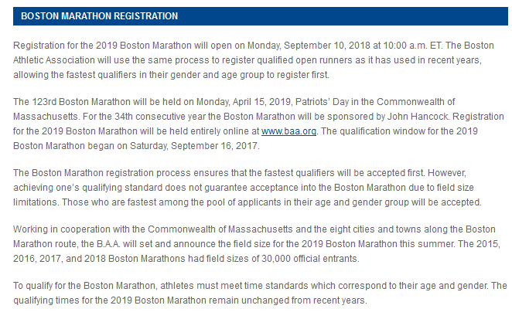
 | 72 km Actual: Total: | Rest or Cross Training - Swimming | LT 14K w/8K @ 15k to HMP Pace 6:08 to 6:01 HR < 173 | RR 8K Pace up to 8:18 HR < 144 | GA 16K Pace 7:59 to 7:21 HR < 154 | Rest or Cross Training | RR 8K Pace up to 8:18 HR < 144 | 26K w/ 16K MP MP Pace 6:23 HR < 167
 | 12 | 2021-07-05 | 2021-07-06 | 2021-07-07 | 2021-07-08 | 2021-07-09 | 2021-07-10 | 2021-07-11
 | 59 km Actual: Total: | Rest or Cross Training - Swimming | GA13kw/ 10 x 100m strides Pace 7:59 to 7:21 HR < 154 | RR 8K Pace up to 8:18 HR < 144 | GA 13K Pace 7:59 to 7:21 HR < 154 | Rest or Cross Training - Swimming | RR 6K Pace up to 8:18 HR < 144 | MLR 19K Pace 7:40 to 7:02 HR < 160
 | 11 | 2021-07-12 | 2021-07-13 | 2021-07-14 | 2021-07-15 | 2021-07-16 | 2021-07-17 | 2021-07-18
Lactate Threshold + Endurance [LT] 403/776 | 80 km Actual: Total: | Rest or Cross Training | LT 16K w/8K @ 15k to HMP Pace 0:06 to 0:06 HR < 173 | RR 6K Pace up to 8:18 HR < 144 | MLR 18K Pace 7:40 to 7:02 HR < 160 | Rest or Cross Training - Swimming | GA 11k w/ 8 x 100m strides Pace 7:59 to 7:21 HR < 154 | LR 29K Pace 7:40 to 7:02 HR < 160
 | 10 | 2021-07-19 | 2021-07-20 | 2021-07-21 | 2021-07-22 | 2021-07-23 | 2021-07-24 | 2021-07-25
 | 86 km Actual: Total: | Rest or Cross Training - Swimming | RR + Speed 11K w/ 6x100 strides Pace up to 8:18 HR < 144 | MLR 19K Pace 7:40 to 7:02 HR < 160 | Rest or Cross Training - Swimming | LT 16K w/10K @ 15k to HMP Pace 0:06 to 0:06 HR < 173 | RR 8K Pace up to 8:18 HR < 144 | LR 32K Pace 7:40 to 7:02 HR < 160
 | 9 | 2021-07-26 | 2021-07-27 | 2021-07-28 | 2021-07-29 | 2021-07-30 | 2021-07-31 | 2021-08-01
 | 79 km Actual: Total: | Rest or Cross Training - Swimming | RR 10K Pace up to 8:18 HR < 144 | MLR 23K Pace 7:40 to 7:02 HR < 160 | RR 10K Pace up to 8:18 HR < 144 | Rest or Cross Training - Swimming | RR + Speed 10K w/ 6x100 strides Pace up to 8:18 HR < 144 | MP 26k w/ 19k@MP MP Pace 6:23 HR < 167
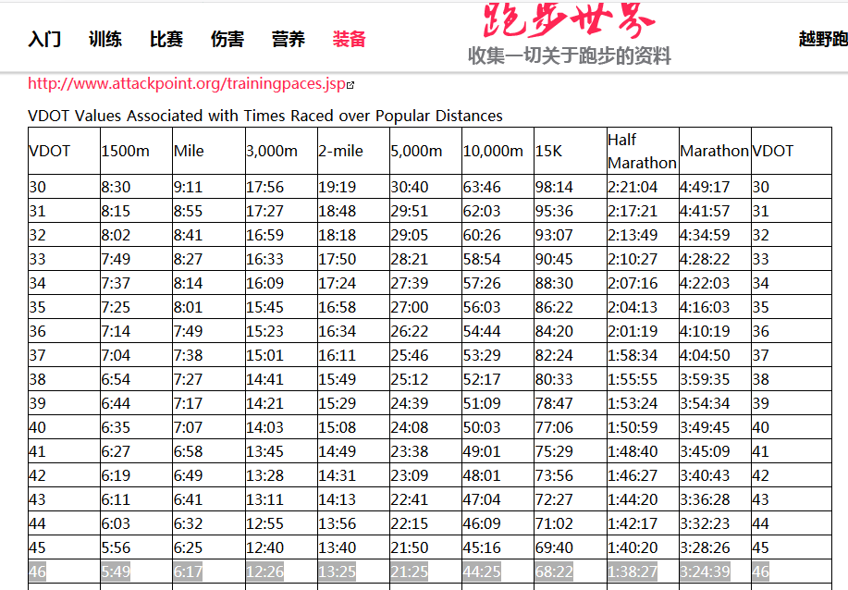
 | 8 | 2021-08-02 | 2021-08-03 | 2021-08-04 | 2021-08-05 | 2021-08-06 | 2021-08-07 | 2021-08-08
 | 70 km Actual: Total: | Rest or Cross Training - Swimming | GA 13K Pace 7:59 to 7:21 HR < 143 | VO2max 13k w/ 5x800 Pace 5:38 HR < 181 | RR 8K Pace up to 8:18 HR < 144 | Rest or Cross Training - Swimming | GA13kw/ 8 x 100m strides Pace 7:59 to 7:21 HR < 154 | MLR 23K Pace 7:40 to 7:02 HR < 160
 | 7 | 2021-08-09 | 2021-08-10 | 2021-08-11 | 2021-08-12 | 2021-08-13 | 2021-08-14 | 2021-08-15
 | 88 km Actual: Total: | Rest or Cross Training - Swimming | RR + Speed 11 k w/ 6x100 strides Pace up to 8:18 HR < 144 | LT 18K w/11K @ 15k to HP Pace 6:08 to 6:01 HR < 173 | Rest or Cross Training - Swimming | MLR 19K Pace 7:40 to 7:02 HR < 160 | RR 8K Pace up to 8:18 HR < 144 | LR 32K Pace 7:40 to 7:02 HR < 160
 | 6 | 2021-08-16 | 2021-08-17 | 2021-08-18 | 2021-08-19 | 2021-08-20 | 2021-08-21 | 2021-08-22
Race Preparation [VO2Max] 339/1115 | 81-88k Actual: Total: | Rest or Cross Training - Swimming | VO2max 13k w/ 5x600 Pace 5:38 HR < 181 | MLR 19K Pace 7:40 to 7:02 HR < 160 | Rest or Cross Training - Swimming | RR + Speed 8k w/ 6x100 strides Pace up to 8:18 HR < 144 | 8-15k tune up race total 14-21k Pace 0:05 | LR 27K Pace 7:40 to 7:02 HR < 160
 | 5 | 2021-08-23 | 2021-08-24 | 2021-08-25 | 2021-08-26 | 2021-08-27 | 2021-08-28 | 2021-08-29
 | 83km Actual: Total: | Rest or Cross Training - Swimming | GA 13K Pace 7:59 to 7:21 HR < 154 | VO2max 14k w/ 5x1000 Pace 5:38 HR < 181 | Rest or Cross Training - Swimming | MLR 19K Pace 7:40 to 7:02 HR < 160 | RR 8K Pace up to 8:18 HR < 144 | MP run 29k w/ 23k@MP MP Pace 6:23 HR < 167
 | 4 | 2021-08-30 | 2021-08-31 | 2021-09-01 | 2021-09-02 | 2021-09-03 | 2021-09-04 | 2021-09-05
 | 78-85km Actual: Total: | Rest or Cross Training - Swimming | VO2max 13k w/ 5x600 Pace 5:38 HR < 181 | MLR 18K Pace 7:40 to 7:02 HR < 160 | Rest or Cross Training - Swimming | RR + Speed 6k w/ 6x100 strides Pace up to 8:18 HR < 144 | 8-15k tune up race total 14-21k Pace 0:05 | LR 27K Pace 7:40 to 7:02 HR < 160
 | 3 | 2021-09-06 | 2021-09-07 | 2021-09-08 | 2021-09-09 | 2021-09-10 | 2021-09-11 | 2021-09-12
 | 83km Actual: Total: | Rest or Cross Training - Swimming | RR + Speed 11k w/ 6x100 strides Pace up to 8:18 HR < 144 | VO2max 16k w/ 4x1200 Pace 5:38 HR < 181 | Rest or Cross Training - Swimming | MLR 18K Pace 7:40 to 7:02 HR < 160 | RR 6K Pace up to 8:18 HR < 144 | LR 32K Pace 7:40 to 7:02 HR < 160
 | 2 | 2021-09-13 | 2021-09-14 | 2021-09-15 | 2021-09-16 | 2021-09-17 | 2021-09-18 | 2021-09-19
Taper and Race [Taper] 159/1274 | 69-73km Actual: Total: | Rest or Cross Training - Swimming | VO2max 13k w/ 5x600 Pace 5:38 HR < 181 | RR 10K Pace up to 8:18 HR < 144 | Rest or Cross Training - Swimming | RR + Speed 6k w/ 6x100 strides Pace up to 8:18 HR < 144 | 8k-10k tune up race (total 14-18k) Pace 0:05 | LR 26K Pace 7:40 to 7:02 HR < 160
 | 1 | 2021-09-20 | 2021-09-21 | 2021-09-22 | 2021-09-23 | 2021-09-24 | 2021-09-25 | 2021-09-26
 | 51km Actual: Total: | Rest or Cross Training - Swimming | GA+Speed 11k w/ 8 x 100m strides Pace 7:59 to 7:21 HR < 154 | VO2max 13k w/ 3x1600 Pace 5:38 HR < 181 | Rest or Cross Training - Swimming | RR + Speed 8k w/ 6x100 strides Pace up to 8:18 HR < 144 | Rest or Cross Training - Swimming | MLR 19K Pace 7:40 to 7:02 HR < 160
 | 0 | 2021-09-27 | 2021-09-28 | 2021-09-29 | 2021-09-30 | 2021-10-01 | 2021-10-02 | 2021-10-03
 | 35km Actual: Total: | Rest! | RR 10K Pace up to 8:18 HR < 144 | Dress rehearsal 11k w/ 3k MP MP Pace 6:23 HR < 167 | Rest! | RR + Speed 8k w/ 6x100 strides RC Pace up to 8:18 HR < 144 | RR 6K Pace up to 8:18 HR < 144 | 42.195KM Race Day!

Max Heart Rate: | 190 | HR Upper Limit | % of MaxHR | HR Upper Limit | % of Heart Rate Reserve | Pace Lower Limit | Pace Upper Limit
Stride |  | Up to Max |  | Up to Max |  | Best try / form | Best try / form
RR = Recovery |  | 144 | 76% | 133 | 70% | Base on HR | 0:08:18
GA = General Aerobic |  | 154 | 81% | 143 | 75% | 0:07:59 | 0:07:21 | MPx1.15 or 1.25
MLR = Medium Long Run 19-24k |  | 160 | 84% | 148 | 78% | 0:07:40 | 0:07:02 | MPx1.10 or 1.2
LR = Long Run,26-33k |  | 160 | 84% | 148 | 78% | 0:07:40 | 0:07:02 | MPx1.10 or 1.2
LT = Lactate Threshold |  | 173 | 91% | 167 | 88% | 0:06:08 | 0:06:01 | 15K or HMP pace
Vo2 Max Run |  | 181 | 95% | 179 | 94% | 0:05:38 | 0:05:38 | 0.85158 x MP or 5k Race
MP = Marathon (Race) Pace |  | 167 | 88% | 160 | 84% | 0:06:23 | 0:06:23 | MP
TuneUp Race(10K Pace) |  |  |  |  |  | 0:05:52 | 0:05:52 | 10K Race

 | How to do strides in your training: |  |  |  |  | VO2Max
 | Strides usually start at your conversation or easy aerobic pace. Then you increase your speed gradually over the specific distance or time you've designated for your strides, and focus on your form (chest up, knees lifted, a mid foot strike). Towards the end, you want to slow back down to a conversation pace and allow a recovery period before the next stride. Here are a few samples of how to incorporate strides into your training workouts: |  |  |  |  | VO2Max: Joging 50%~90% of running time in between, can use 70%

 | Workout #1 - Before a speed session
 | 5-10 minute warm up
 | 6-10 x 100 meter strides with 100 meter recovery between
 | Follow it with a workout (tempo run, intervals, etc) and a cool down

 | Workout #2 - In the middle of an easy run
 | 1-2 mile warm up
 | 6-10 x 20 second strides with 40 second recovery
 | 1-2 mile cool down

 | Workout #3 - After an easy run
 | 4-8 mile easy/aerobic run
 | 10 x 100 meter strides with 100 meter recovery between

